Test Report
Default Test Report

Project Name |  |  | Project 1
User Name |  |  | MTS
Test Name |  |  | Tensile test PCL bulk
Test Date |  |  | 12/15/2023 3:12:54 PM

All Test Runs Chart

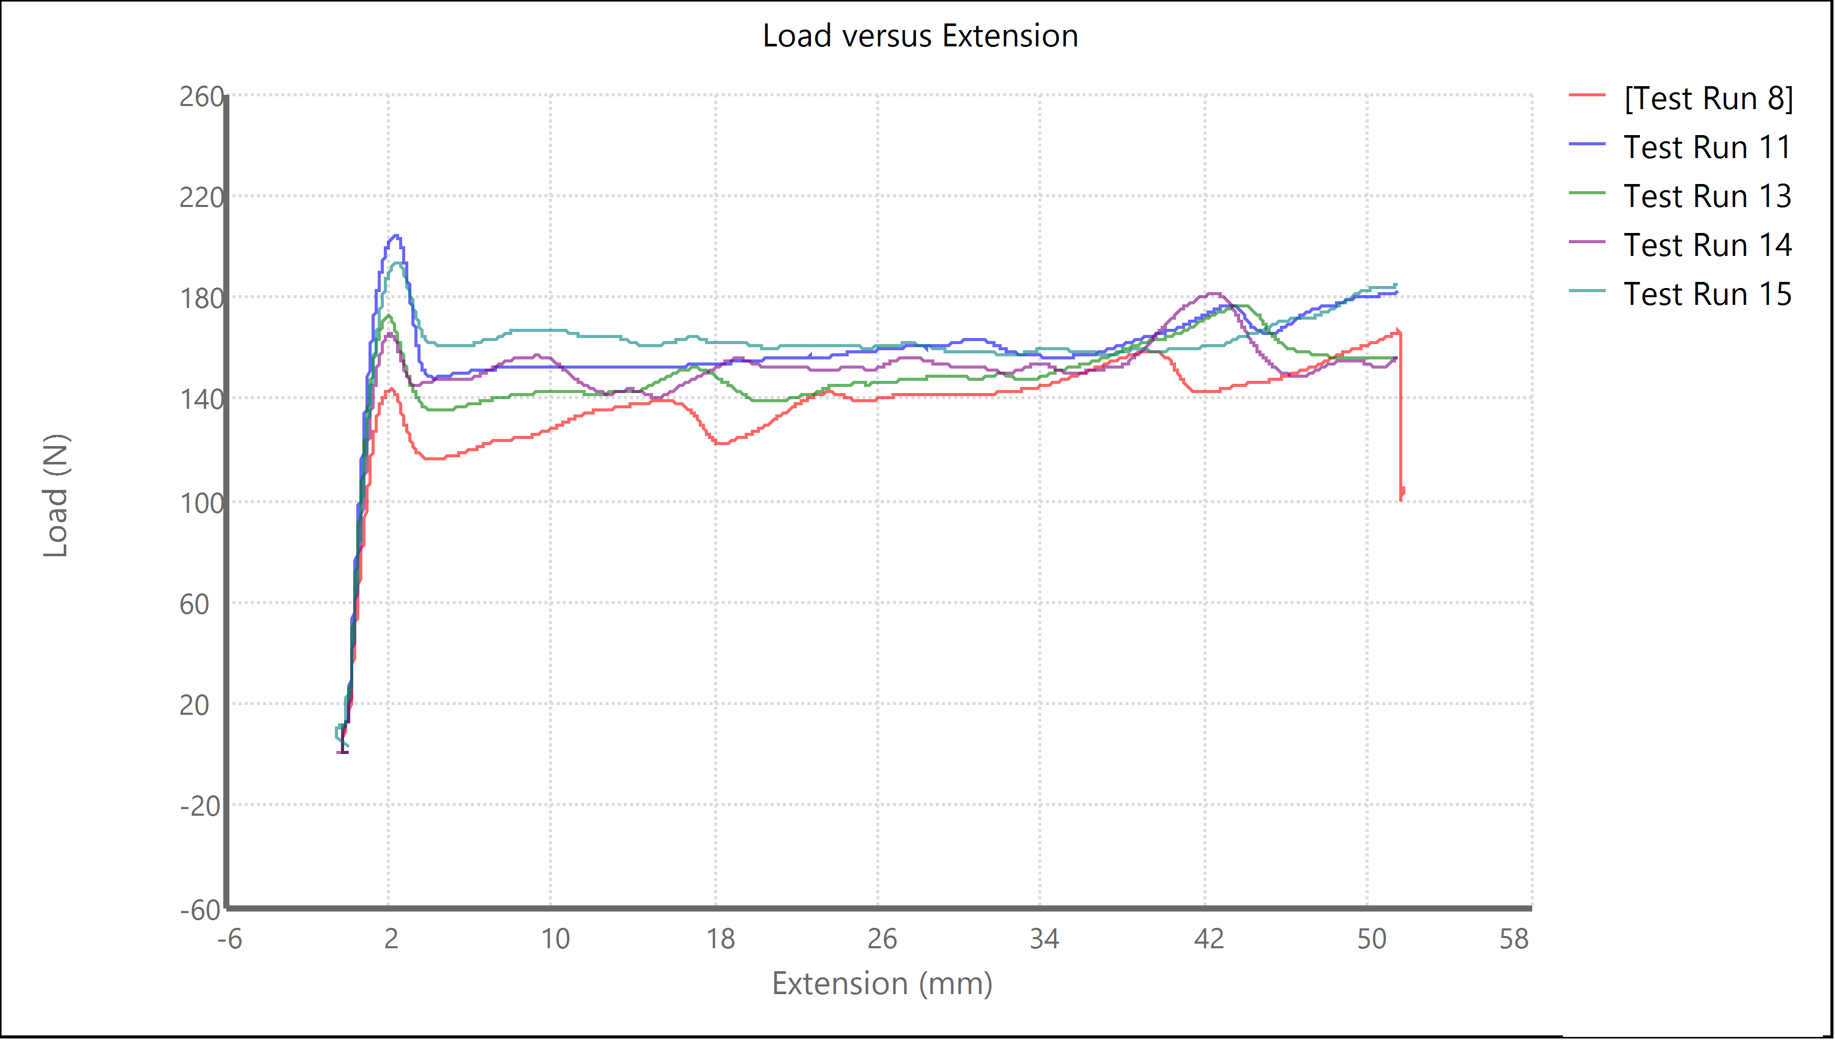

Test Run Results

Name | Tagged | Comment | Thickness (mm) | Width (mm) | Final Width (mm) | Extension (mm) | Peak Load (N) | Test Run End Reason
Test Run 8 | No | Sample 1 | 3.667 | 3.167 | 1.5 | Array | 166.244 | Limit Detected
Test Run 11 | No | Sample 2 | 3.983 | 3.25 | 1.45 | Array | 204.013 | Limit Detected
Test Run 13 | No | Sample 3 | 3.73 | 3.316 | 1.416 | Array | 176.66 | Limit Detected
Test Run 14 | No | Sample 4 | 3.85 | 3.35 | 1.6 | Array | 181.058 | Limit Detected
Test Run 15 | No | Sample 5 | 3.683 | 3.45 | 1.733 | Array | 193.802 | Limit Detected
 | Mean |  | 3.783 | 3.307 | 1.54 | #NUM! | 184.355
 | Standard Deviation |  | 0.133 | 0.106 | 0.128 | #NUM! | 14.78

Test Run Comments

Specimen | Tagged | Specimen Comment
Test Run 8 | No
Test Run 11 | No
Test Run 13 | No
Test Run 14 | No
Test Run 15 | No

Test Results

Specimen | Tagged | Load Limit High (kN) | GripSeparation (mm) | Chord Modulus Strain Point 2 (mm/mm) | Time Limit (sec) | Information 7 | Strain Limit High (mm/mm) | Chord Modulus Elongation Point 1 (mm)
Test Run 8 | No | 3 | 9.73 | 0.05 | 10000 |  | 10 | 0.254
Test Run 11 | No | 3 | 9.73 | 0.05 | 10000 |  | 10 | 0.254
Test Run 13 | No | 3 | 9.73 | 0.05 | 10000 |  | 10 | 0.254
Test Run 14 | No | 3 | 9.73 | 0.05 | 10000 |  | 10 | 0.254
Test Run 15 | No | 3 | 9.73 | 0.05 | 10000 |  | 10 | 0.254

Specimen | Information 3 | Header 1 | Information 9 | Secant Modulus Elongation Point 1 (mm) | Information 2 | Stress Limit High (kN/mm²) | Chord Modulus Strain Point 1 (mm/mm) | Test ID
Test Run 8 |  |  |  | 0.254 |  | 0.2 | 0.02
Test Run 11 |  |  |  | 0.254 |  | 0.2 | 0.02
Test Run 13 |  |  |  | 0.254 |  | 0.2 | 0.02
Test Run 14 |  |  |  | 0.254 |  | 0.2 | 0.02
Test Run 15 |  |  |  | 0.254 |  | 0.2 | 0.02

Specimen | Strain Point 03 (mm/mm) | Information 5 | Information 6 | Test Rate (mm/s) | Information 4 | Information 8 | Secant Modulus Strain Point 2 (mm/mm) | Strain Point 05 (mm/mm)
Test Run 8 | 0.05 |  |  | 0.167 |  |  | 0.05 | 0.05
Test Run 11 | 0.05 |  |  | 0.167 |  |  | 0.05 | 0.05
Test Run 13 | 0.05 |  |  | 0.167 |  |  | 0.05 | 0.05
Test Run 14 | 0.05 |  |  | 0.167 |  |  | 0.05 | 0.05
Test Run 15 | 0.05 |  |  | 0.167 |  |  | 0.05 | 0.05

Specimen | Chord Modulus Elongation Point 2 (mm) | Extension Limit Low (mm) | Slack Preload (kN) | Break Threshold (kN) | Information 1 | Strain Limit Low (mm/mm) | Strain Point 07 (mm/mm) | Slope Segment Length (%)
Test Run 8 | 12.7 | 0 | 0.004 | 0.002 |  | -10 | 0.05 | 20
Test Run 11 | 12.7 | 0 | 0.004 | 0.002 |  | -10 | 0.05 | 20
Test Run 13 | 12.7 | 0 | 0.004 | 0.002 |  | -10 | 0.05 | 20
Test Run 14 | 12.7 | 0 | 0.004 | 0.002 |  | -10 | 0.05 | 20
Test Run 15 | 12.7 | 0 | 0.004 | 0.002 |  | -10 | 0.05 | 20

Specimen | Yield Offset (mm/mm) | Strain Point 01 (mm/mm) | Header 3 | Outer Loop Rate (Hz) | Secant Modulus Strain Point 1 (mm/mm) | Memo | Stress Limit Low (kN/mm²) | Break Sensitivity (%)
Test Run 8 | 0.002 | 0.05 |  | 100 | 0.05 |  | -0.2 | 90
Test Run 11 | 0.002 | 0.05 |  | 100 | 0.05 |  | -0.2 | 90
Test Run 13 | 0.002 | 0.05 |  | 100 | 0.05 |  | -0.2 | 90
Test Run 14 | 0.002 | 0.05 |  | 100 | 0.05 |  | -0.2 | 90
Test Run 15 | 0.002 | 0.05 |  | 100 | 0.05 |  | -0.2 | 90

Specimen | Data Acquisition Rate (Hz) | Yield Segment Length (%) | Information 10 | Strain Point 06 (mm/mm) | Break Marker Elongation (mm) | Header 2 | Strain Point 02 (mm/mm) | Strain Point 08 (mm/mm)
Test Run 8 | 10.0 | 2.0 |  | 0.05 | 2.54 |  | 0.05 | 0.05
Test Run 11 | 10.0 | 2.0 |  | 0.05 | 2.54 |  | 0.05 | 0.05
Test Run 13 | 10.0 | 2.0 |  | 0.05 | 2.54 |  | 0.05 | 0.05
Test Run 14 | 10.0 | 2.0 |  | 0.05 | 2.54 |  | 0.05 | 0.05
Test Run 15 | 10.0 | 2.0 |  | 0.05 | 2.54 |  | 0.05 | 0.05

Specimen | Extension Limit High (mm) | Load Limit Low (kN) | Break Drop (%) | Strain Point 04 (mm/mm) | Yield Angle (rad) | TargetDisplacement (mm)
Test Run 8 | 80 | -3 | 50.0 | 0.05 | 0 | 100
Test Run 11 | 80 | -3 | 50.0 | 0.05 | 0 | 80
Test Run 13 | 80 | -3 | 50.0 | 0.05 | 0 | 80
Test Run 14 | 80 | -3 | 50.0 | 0.05 | 0 | 80
Test Run 15 | 80 | -3 | 50.0 | 0.05 | 0 | 80

